KKO
KAJIAN KELAYAKAN OPERASI

DAYA LAMA |  |  |  | DAYA BARU
Nama Pelanggan | : | DUMMY DATA TEGOWANU |  | Nama Pelanggan | : | DUMMY DATA TEGOWANU
Daya Lama (VA) | : | 11000 |  | Daya Baru (VA) | : | 23000
Jumlah Fasa | : | 1 | * | Jumlah Fasa | : | 3
Tegangan Sekunder Pengukuran rata-rata (Fasa-Netral) (V) | : | 220 | * | Tegangan Sekunder Pengukuran rata-rata (Fasa-Netral) (V) | : | 380
Beban Pelanggan (A) | : | 50.14 |  | Beban Pelanggan (A) | : | 34.94

SUPLAI TRAFO EKSISTING |  |  |  | SUPLAI TRAFO RENCANA
Nomor Tiang | : |  |  | Nomor Tiang | : | SYG05-210
Penyulang | : |  |  | Penyulang | : | MGN07
Daya | : |  | * | Daya | : | 50
Jumlah Fasa | : |  | * | Jumlah Fasa | : | 3
Beban TRAFO (Pengukuran Lapangan) |  | 100 |  | Beban TRAFO | : | 34.94
Beban Primer | : | 0.00 | * | Beban Primer | : | 1.44
Beban Sekunder | : | 0.00 | * | Beban Sekunder | : | 75.97
Beban (A) | : | 0.00 |  | Beban (A) | : | #VALUE!
Prosentase Pembebanan | : | #DIV/0! |  | Beban (A) | : | 46%
 | 46% | 100%
Prosentase Pembebanan | : | 100% |  | Beban (A) | : | 100%

DATA





DATA
Tahun | : | 2022
Discount Rate | : | 12%
Transfer price TM | : | 1,084 |  | Marginal COST maret 2022
Umur ekonomis (tahun) | : | 25.00
Selisih Susut Teknis | : | 2.25%
∑ Daya | : | 12
BP (Rp) | : | 11,244,000
RAB (Rp) | : | 82,271,881
Biaya O&M (2% invest) | : | 1,645,437.62

Nama Pelanggan | : | DUMMY DATA TEGOWANU | *
Golongan Pelanggan | : | S | *
Jenis Layanan | : | REGULER | *
Daya Lama (kVA) | : | 11 | *
Daya Baru (kVA) | : | 23 | *
Tarif WBP (Rp/kWh) | : | 1,444.70 | *
Tarif LWBP (Rp/kWh) | : | 1,444.70 | *
BP (Rp/VA) TR | : | 937 | *
Jam Nyala | : | 40 | *

RAB
 |  | PT. PLN ( PERSERO )
 |  | UNIT INDUK DISTRIBUSI JAWA TENGAH & DI YOGYAKARTA |  |  |  |  |  |  |  |  |  | RAB TOTAL
 |  | UP3 DEMAK |  |  |  |  |  |  |  |  | RAB TOTAL | RAB NON MDU
 | RENCANA ANGGARAN BIAYA (RAB)

 |  |  |  | Pekerjaan | : | PUSKESMAS WONOSAMODRO
 |  |  |  | Lokasi | : | DS WONOSEGORO
 |  |  |  | Pelaksana | : | PT. PLN (PERSERO) UP3 DEMAK
 |  |  |  | Anggaran | : | SAR 2023

Note !! 1. Saat Pengisian Uraian di mohon memasukan nama material sesuai dengan nama material di harga satuan
2. Mohon di cek kembali saat pengisian volume material
3. Untuk program Sarana Penunjang Fungsi tidak perlu SLO.
 | NO | URAIAN | GOL | SAT | VOL | HARGA SATUAN | BIAYA YANG DIPERLUKAN ( Rp )
 |  |  |  |  |  |  | MDU | HARDWARE | JASA | JUMLAH

#REF! | A | PEMASANGAN TIANG |  |  |  | 0 | 0 | 0 | 0 | 0
#REF! |  |  |  |  |  | 0 | 0 | 0 | 0 | 0
#REF! |  |  |  |  |  | 0 | 0 | 0 | 0 | 0
#REF! | B | PEKERJAAN PEMASANGAN KONSTRUKSI TM |  |  |  | 0 | 0 | 0 | 0 | 0
 |  |  |  |  |  | 0 | 0 | 0 | 0 | 0
#REF! | + | Trafo 3 Fasa 50 KVA 1 Tiang (G312-A) |  | Unit | 1 | 0 | 0 | 0 | 0 | 0
#REF! | 1 | Trafo 3 phasa 50 kVA YNyn0 | MDU-KD | Bh | 1 | 42,757,200 | 42,757,200 | 0 | 0 | 42,757,200
#REF! | 2 | Jumper Wire : |  |  |  | 0 | 0 | 0 | 0 | 0
 |  | AAAC 70 mm² | MDU-KD | Mtr | 9 | 14,200 | 127,800 | 0 | 0 | 127,800
1 |  | NFA2X-T 3 x 70 + N 50 mm² |  |  | 3 | 0 | 0 | 0 | 0 | 0
1 | 3 | Lightning Arester (Polymer) 21 KV, 10 KA | MDU-KD | Bh | 3 | 725,900 | 2,177,700 | 0 | 0 | 2,177,700
1 | 4 | FCO Polymer | MDU-KD | Bh | 3 | 848,250 | 2,544,750 | 0 | 0 | 2,544,750
#REF! | 5 | Fuse Link 4 A | HDW | Bh | 3 | 17,500 | 0 | 52,500 | 0 | 52,500
#REF! | 6 | Sepatu Kabel AL/CU Ring-70 mm² |  |  | 13 | 0 | 0 | 0 | 0 | 0
1 | 7 | Bolt Machine / Bolt cariage ½" x ¾" | HDW | Bh | 22 | 7,938 | 0 | 174,636 | 0 | 174,636
1 | 8 | Bracket band segment,vertikal plat ( Hot dip galvanis ) | HDW | Bh | 1 | 404,600 | 0 | 404,600 | 0 | 404,600
1 | 9 | Compresion Conector H type 70 mm² / 70 mm² | HDW | Bh | 3 | 15,900 | 0 | 47,700 | 0 | 47,700
#REF! | 10 | Cross Arm Steel 1.500 mm ( UNSP 10 ) galvanis | HDW | Bh | 5 | 283,100 | 0 | 1,415,500 | 0 | 1,415,500
#REF! | 11 | Cross Arm Steel 2.000 mm ( UNSP 10 ) galvanis | HDW | Bh | 4 | 380,500 | 0 | 1,522,000 | 0 | 1,522,000
 | 12 | Hot Line Clamp ( 150mm² s/d 240 mm² ) | HDW | Bh | 3
1 | 13 | Pole Band Single Rack 7" atau 7 ½" | HDW | Bh | 1 | 57,690 | 0 | 57,690 | 0 | 57,690
#REF! | 14 | Pole Band Double Rack 8" atau 8 ½" | HDW | Bh | 2 | 67,500 | 0 | 135,000 | 0 | 135,000
1 | 15 | Steel L 70 x 70 x 7 x 780 mm galvanis | HDW | Bh | 2 | 129,000 | 0 | 258,000 | 0 | 258,000
1 | 16 | Steel L 70 x 70 x 7 x 1.682 mm galvanis | HDW | Bh | 4 | 250,000 | 0 | 1,000,000 | 0 | 1,000,000
1 | 17 | Upah Pasang Trafo 3 Fasa 50 KVA 1 Tiang | JASA | Unit | 1 | 1,182,800 | 0 | 0 | 1,182,800 | 1,182,800
1 |  |  |  |  |  | 0 | 0 | 0 | 0 | 0
#REF! | + | CJ6-T |  | Unit | 3 | 0 | 0 | 0 | 0 | 0
 | 1 | Dead End Assembly | HDW | Bh | 3 | 78,500 | 0 | 235,500 | 0 | 235,500
1 | 2 | Plastic Strap for Clamping | HDW | Bh | 3 | 4,212 | 0 | 12,636 | 0 | 12,636
1 | 3 | Stainless Steel Strap 20 x 0.7 mm | HDW | Mtr | 3 | 23,310 | 0 | 69,930 | 0 | 69,930
1 | 4 | Stopping Buckle / Yokes | HDW | Bh | 3 | 2,300 | 0 | 6,900 | 0 | 6,900
#REF! | 5 | Upah Pasang Konst. JTR J6-T | JASA | Unit | 3 | 35,700 | 0 | 0 | 107,100 | 107,100
#REF! |  |  |  |  |  | 0 | 0 | 0 | 0 | 0
#REF! | + | CM2-11M |  | Unit | 2 | 0 | 0 | 0 | 0 | 0
#REF! | 1 | Ground rod ⅝" x 8" Copper Weld | HDW | Bh | 2 | 185,200 | 0 | 370,400 | 0 | 370,400
FALSE | 2 | Bimetalic Connector 35 - 240 mm² | HDW | Bh | 2 | 47,459 | 0 | 94,918 | 0 | 94,918
1 | 3 | Clamp Ground Rod ⅝" | HDW | Bh | 2 | 4,880 | 0 | 9,760 | 0 | 9,760
1 | 4 | Ground wire Cu 16 mm² | HDW | Mtr | 20 | 30,000 | 0 | 600,000 | 0 | 600,000
1 | 5 | Ground rod & Washer | HDW | Bh | 4 | 9,500 | 0 | 38,000 | 0 | 38,000
#REF! | 6 | Pipa PVC ½" | HDW | Bh | 11 | 6,100 | 0 | 67,100 | 0 | 67,100
#REF! | 7 | Stopping Buckle / Yokes | HDW | Bh | 12 | 2,300 | 0 | 27,600 | 0 | 27,600
 | 8 | Stainless Steel Strap 20 X 0.7 mm | HDW | Mtr | 9.6 | 23,310 | 0 | 223,776 | 0 | 223,776
1 | 9 | Upah Pasang Acc.Jar M2-11M | JASA | Unit | 2 | 65,400 | 0 | 0 | 130,800 | 130,800
1 |  |  |  |  |  | 0 | 0 | 0 | 0 | 0
1 | 1 | NFA2X-T 3x70+1x70 | MDU-KD | Mtr | 150 | 54,500 | 8,175,000 | 0 | 0 | 8,175,000
#REF! | 2 | Upah Pasang Penghantar TR LVTC 3x70 + 1x50mm² | JASA | Per 50 m | 3 | 223,500 | 0 | 0 | 670,500 | 670,500
#REF! | D | PEKERJAAN PEMASANGAN APP |  |  |  | 0 | 0 | 0 | 0 | 0
1 | + | Daya 23.000 VA |  | Unit | 1 | 0 | 0 | 0 | 0 | 0
1 | 1 | KWH Elektronik; 3P; 4W; 220/380V; 5(80) A; kls 1 (Pengukuran Langsung) | MDU-KD | Bh | 1 | 1,427,400 | 1,427,400 | 0 | 0 | 1,427,400
1 | 2 | Smart Box Langsung Daya 23 kVA MCCB 35 A | MDU-KD | Unit | 1 | 3,564,900 | 3,564,900 | 0 | 0 | 3,564,900
#REF! | 3 | Modem 3G/4G | HDW | Unit | 1 | 1,113,900 | 0 | 1,113,900 | 0 | 1,113,900
#REF! | 4 | NFA2X-T 3x35+1x35 | MDU-KD | Mtr | 45 | 30,400 | 1,368,000 | 0 | 0 | 1,368,000
 | 5 | Upah Pasang SR + APP 3 Fasa | JASA | Unit | 1 | 106,400 | 0 | 0 | 106,400 | 106,400
1 |  |  |  |  |  | 0 | 0 | 0 | 0 | 0
1 | E | PEMBONGKARAN |  |  |  | 0 | 0 | 0 | 0 | 0
v |  | Upah Bongkar SR + APP 1 Fasa | JASA | Unit | 1 | 32,640 | 0 | 0 | 32,640 | 32,640
#REF! |  |  |  |  |  | 0 | 0 | 0 | 0 | 0
v |  |  |  |  |  | 0 | 0 | 0 | 0 | 0
#REF! |  |  |  |  |  | 0 | 0 | 0 | 0 | 0
 |  |  |  |  |  | 0 | 0 | 0 | 0 | 0
 |  | SLO |  |  |  | 0 | 0 | 0 | 0 | 0
 | 1 | Sertifikasi Laik Operasi | JASA | Lot | 1 | 2.5% |  |  | 1,807,776 | 1,807,776
 |  |  |  |  |  |  | 0 | 0 | 0 | 0

 |  | Jumlah MDU - Hardware - Jasa |  |  |  | : | 62,142,750 | 7,938,046 | 4,038,016 | 74,118,812
 |  | PPN 11% |  |  |  | : | 6,835,703 | 873,185 | 444,182 | 8,153,069
 |  | Jumlah Total |  |  |  | : | 68,978,453 | 8,811,231 | 4,482,198 | 82,271,881
 | Terbilang : Delapan Puluh Dua Juta Dua Ratus Tujuh Puluh Satu Ribu Delapan Ratus Delapan Puluh Satu Rupiah

 | Harga yang dipakai adalah RAB HSS 2023

 |  |  |  |  |  |  |  | Tegowanu, September 2023
 |  |  |  |  |  |  |  | MANAGER ULP TEGOWANU

 |  |  |  |  |  |  |  | HARY PRATAMA

GAMBAR
 |  |  |  |  | PT. PLN (PERSERO) UP3 DEMAK

s
s
 | X0 | X1 | X2 | X3 | Keterangan Gambar :
SIANG |  |  |  |  | No | Nama Material |  |  | Baru |  | Eksisting
MALAM |  |  |  |  | 1 | Tiang Beton
 |  |  |  |  | 2 | Tiang Besi
B2-6/J/7
1C9-200
1CJ6-T
1MJ6-T
1CM2-11
1CM2-12A
1CE1-2
1F1-2
 |  |  |  |  | 3 | JTM 3 Fasa
 |  |  |  |  | 4 | JTM 1 Fasa
 |  |  |  |  | 5 | JTR 1 Fasa Only / UB
 |  |  |  |  | 6 | JTR 3 Fasa Only / UB
 |  |  |  |  | 7 | Trafo 1 Fasa
LVTC 3x35+N35 MM
A
 |  |  |  |  | 8 | Trafo 3 Fasa
2 CJ6-T
 |  |  |  |  | 9 | Fuse Cut Out
APP 3 PH 23 KVA PASKABAYAR
LVTC 4X35 mm2 = 45M
 |  |  |  |  | 10 | ABSW
 |  |  |  |  | 11 | Vang Net
60 MTR
B2-6/J/7
1C9-200
1CJ6-T
1MJ6-T
1CM2-11
1CM2-12A
1CE1-2
1F1-2
 |  |  |  |  | 12 | Schoor
 |  |  |  |  | 13
LVTC 3x70+N70 MM
1 CJ5-T
 |  |  |  |  | Bongkar Pasang Konstruksi :
 |  |  |  |  | Pasang |  |  |  | Bongkar
 |  |  |  |  | CJ6-T |  | U | 3
 |  |  |  |  | G312 50 KVA |  | U | 1
A
 |  |  |  |  | APP 23 KVA |  | U | 1
50 MTR
 |  |  |  |  | CM2-11M |  | U | 2
50KVA
37 m
37 m
 |  |  |  |  | CJ5-T |  | U | 2
 |  |  |  |  | LVTC 3X70+70 |  | MTR | 150

1 CJ5-T

1 CJ6-T 1 G312-A 50KVA
2 CM2-11M
APP
APP

s
s

s
s

 |  |  |  |  | Keterangan Tambahan : '-7.231064, 110.637976

 |  |  |  |  | Golongan
 |  |  |  |  | No. Gambar |  | 1 |  |  | Lembar |  | dr
 |  |  |  |  | Gambar dari |  |  |  |  | Skala
 |  |  |  |  | Perihal:
 |  |  |  |  | PD PUSKESMAS WONOSEGORO
 |  |  |  |  | DS WONOSEGORO

 |  |  |  |  | Digambar |  | Staf Teknik
 |  |  |  |  | Diperiksa |  | Spv. Teknik
 |  |  |  |  | Diketahui |  | Manager ULP
 |  |  |  |  | Disetujui |  | Man. Perencanaan

PETA
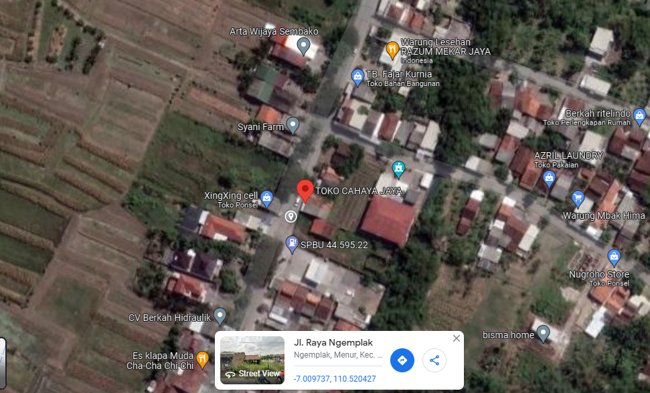
PETA LOKASI PELANGGAN

KOORDINAT LOKASI : '-7.009737, 110.520247

SLD
SINGLE LINE DIAGRAM LOKASI PELANGGAN

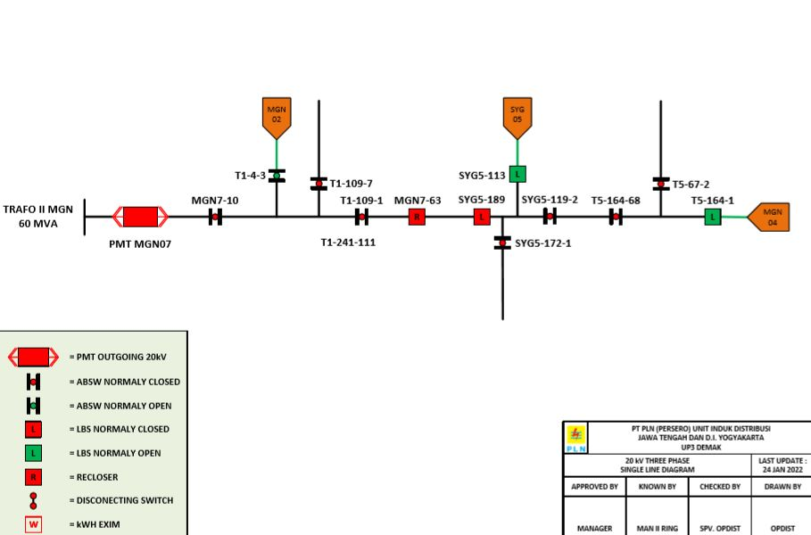

Lokasi Perumahan
PUTRA WAHID

